Manage My Money
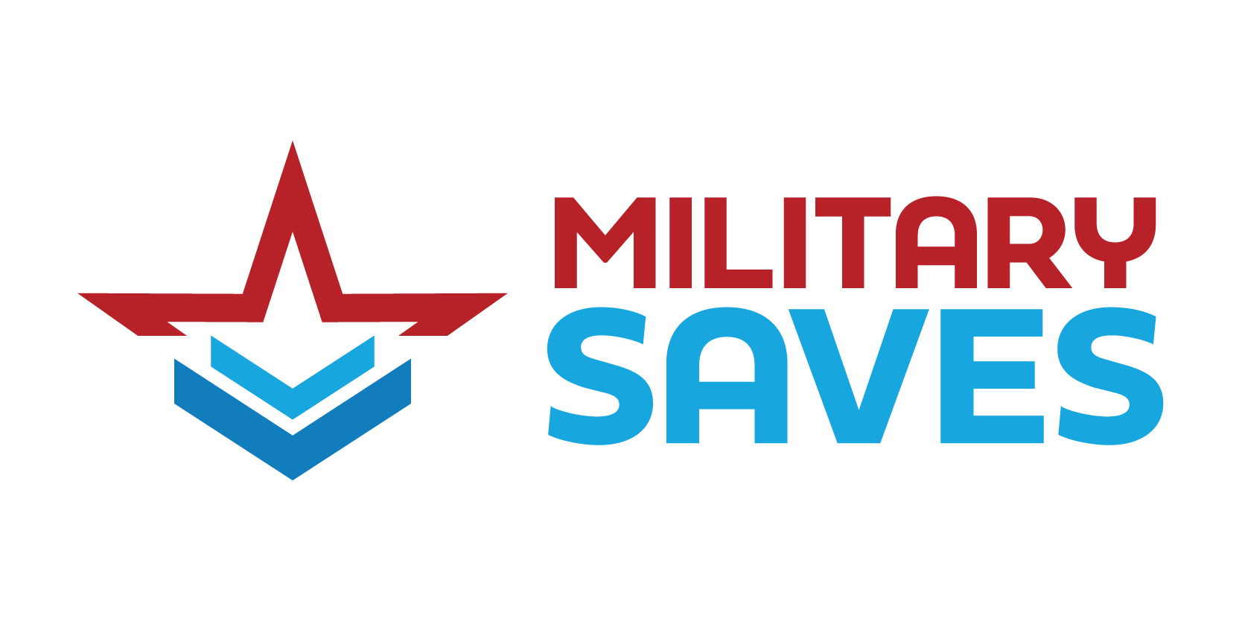
Spending and Savings Plan
% of Income Spent | Summary
 | 50%
 | 50%
 | Total Monthly Income
 | $100
 | Total Monthly Expenses
 | $50
 | Total Monthly Savings
 | $0
 | Cash Balance
 | $50
50%
Monthly Income
Item | Amount
Take Home Pay | $100.00
Additional Income (Rental, Self-Employment, Child Support, Alimony, Pension, Etc) | $0.00
Other Income | $0.00

Monthly Expenses
Item | Amount
Housing Expenses (Rent/Mortgage, Renter's Insurance, Property Tax & Insurance [ If not part of mortgage payment.], Electricity, Gas, Water, Garbage/Sanitation, Internet, Cable/Streaming Services, Phone/Cell Phone) | $50.00
Food (Groceries, Toiletries, Household Essentials, Pet Food) | $0.00
Transportation (Car/Vehicle Payment, Gasoline, Auto Insurance, Maintenance/Repairs, Parking Fees, Public Transit) | $0.00
Medical (Health Insurance Premium, Out-of-Pocket Medical Costs, Prescriptions) | $0.00
Other (Loan Payments, Credit Card Payments, Student Loan Payments, Child Support, Alimony, Childcare, Petcare) | $0.00
Social Activities (Clothing/Accessories, Dining Out, Entertainment [Movies, Concerts, Events], Gym, Clubs/Memberships, Monthly Subscriptions, Travel Expenses, Discretionary Funds, Other) | $0.00
Adulting (Life Insurance, Additional Debt Repayment, Extra Principal Payments on Existing Debt [Mortgage, Loans, Credit Cards], Charitable Contributions, Other) | $0.00

Monthly Savings
Type | Amount
Emergency Fund Savings (Above Split Deposit/Automatic Savings) | $0.00
Additional Savings (Education, General Savings, Saving Goals) | $0.00
Retirement Account Contribution (Above 401(K)/TSP) | $0.00
Investments | $0.00

